Lección 8
LECCIÓN 8 – A VS AN / THERE IS – THERE ARE (AFIRMATIVA, NEGATIVA E TERROGATIVA)

 |  | Escribe en inglés la cantidad que hay según la imagen.
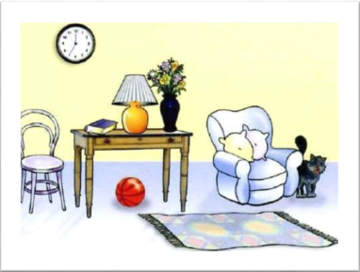

 | Escribe en inglés el siguiente texto guía. Vamos a sobre-utilizar el uso de "HAY" para la práctica. Responde las preguntas propuestas. Utiliza because para las respuestas negativas.

 | MI CASA
 | En mi casa, en la sala hay muchas cosas. Hay un reloj en la pared. Hay una silla al lado de la mesa, sobre la mesa hay un libro, hay una lámpara y hay un florero. En el florero hay 5 flores. En la sala hay un sofá, sobre el sofá hay 2 cojines y al lado del sofá hay un gato. En el piso hay una pelota y hay una alfombra.

 | Are there 2 cats in the house?

 | Is there a ball on the floor?

 | Are there 4 flowers in the vase?

 | Is there a cat at the sofa?

 | Are there 2 clocks on the wall?

 | VOCABULARIO DE AYUDA
 | Cosas: Things | Reloj: Clock | Pared: Wall | Silla:Chair | Lámpara: Lamp | Florero:Vase
 | Pelota: Ball | Alfombra: Carpet | Piso: Floor | Libro: Book | Flores: Flowers | Muchas: Many
 |  |  | Cojines: Cushions | Gato: Cat

